Deckblatt
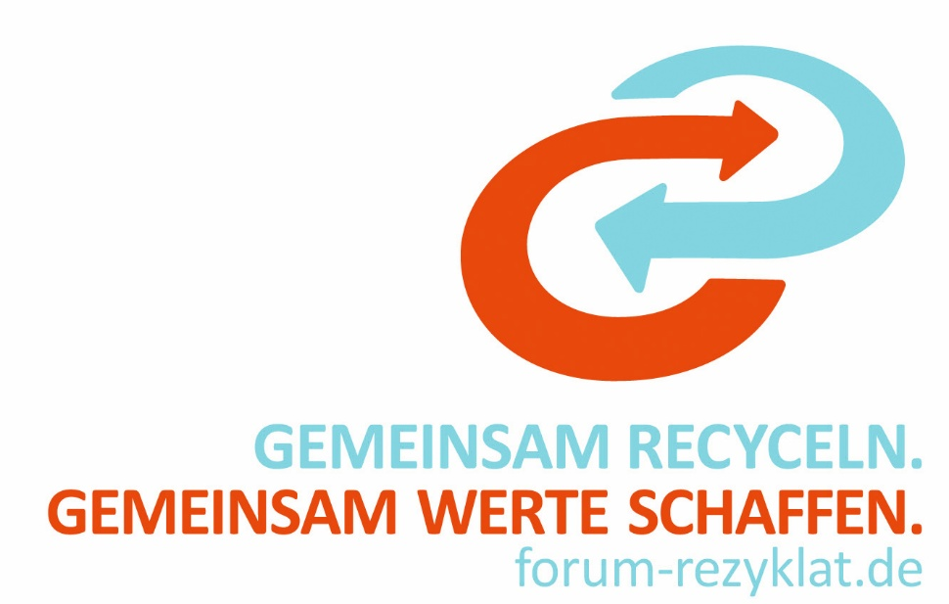

Forum Rezyklat

Conformity Assessment Template
Technical Documentation for the Declaration of Conformity under PPWR

Version 2.0
01.07.2026

Guidance TD
Input fields
Guidance Document for the Technical Documentation

This document may be used as guidance for the preparation of the technical documentation. It should not be considered complete, as the scope and level of detail may vary depending on the company and the specific packaging.
No…. (unique identification of the packaging) | …
Name and address of the manufacturer and, where applicable, the manufacturer’s authorised representative | …
An analysis and assessment of non‑conformity risks in accordance with Annex VII, point 2 of the PPWR has been completed (1) | Yes
description of the packaging | kind of packaging |  | type of packaging (e.g. bottle with cap and label) |  | segment title |  | family title
The following harmonised standards, common specification standards and other relevant technical specifications have been applied. | …
Designation of the component | Main Component | Component 2 | Component 3 | Component 4 | Component 5 | Component 6 | Component 7

internal component no. | xx | x | xxxx | x | xx | x | xxxx

Art. 5: Requirements for substances in packaging
Without prejudice to the restrictions on chemicals set out in Annex XVII to Regulation (EC) No 1907/2006 or, where applicable, to the restrictions and specific measures on food-contact materials and articles in Regulation (EC) No 1935/2004, the sum of the concentrations of lead, cadmium, mercury and hexavalent chromium resulting from substances present in packaging or packaging components shall not exceed 100 mg/kg. | The sum of the concentrations of lead, cadmium, mercury and hexavalent chromium resulting from substances present in packaging or packaging components shall not exceed 100 mg/kg.
Is the packaging component compliant with the limit value of 100 mg/kg of contain lead, cadmium, mercury or hexavalent chromium? | Yes | No | No | Yes | No | No | No
 | Proof in technical documentation!
Information: A report on the effects of the substances of concern on humans and the environment will be prepared by the end of 2026
From ... [18 months from the date of entry into force of this Regulation], foodcontact packaging shall not be placed on the market if it contains per- and polyfluorinated alkyl substances (PFAS) in a concentration equal to or above the following limit values to the extent that the placing on the market of packaging containing such a concentration of PFAS is not prohibited pursuant to another Union legal act | ‘PFAS’ means any substance that contains at least one fully fluorinated methyl (CF3-) or methylene (-CF2-) carbon atom (without any H/Cl/Br/I attached to it), except substances that only contain the following structural elements: CF3-X or XCF2- X’, where X = -OR or -NRR’ and X’ = methyl (-CH3), methylene (-CH2-), an aromatic group, a carbonyl group (-C(O)-), -OR’’, -SR’’ or –NR’’R’’’; and where R/R’/R’’/R’’’ is a hydrogen (-H), methyl (-CH3), methylene (-CH2-), an aromatic group or a carbonyl group (-C(O)-).
Does the packaging or any packaging component in consideration get in contact with food? (2) | Yes | No | Yes | No | No | No | No
Is PFAS intentionally used in the production of the packaging due to technical or functional reasons? (3) | No | Yes | Yes | Yes | Yes | Yes | Yes
Is PFAS intentionally used in the production process (Filling the packaging with the finished product) due to technical or functional reasons? (4) | No | No
The required information (see row 19-21) should be obtainable from supplier declarations.
Total Flourine (TF) below 50 ppm (compliant), answer with "yes"; and continue row 25 If it is above 50 ppm (non compliant); go to row 24. | No | No | Yes
Is the organic fluorine below 50 ppm answer with "yes" (compliant); go to row 25. | No |  | No
This limit value is defined in accordance with Article 5 (5) (c) of the PPWR and the recommendation for the enforcement of PFAS limits according to C/2026/3084. if answered "yes" further analysis is recommended to check compliance with the 25ppb and 205ppb concentration limit (e.g. sampling, laboratory testing, test reports).
Is the individual PFAS level (excluding polymeric PFAS) below 25 ppb and the sum of all PFAS (excluding polymeric PFAS) below 250 ppb?
These limit values are defined in accordance with Article 5 (5) (a) and (b) of the PPWR.
Apart from Article 5(4) and (5), all other requirements of Article 5 must also be complied with.

 | Proof in technical documentation!

Art. 11: Reusable Packaging
1. Packaging placed on the market from 11 February 2025 shall be considered to be reusable where it fulfils all of the following requirements: […]
Has the packaging been expressly designed and developed with the aim of being reused several times? | No
Have the requirements in Article 11 for reusable packaging been met? | Yes
Please note that Article 11 is not yet final; a delegated act is expected in February 2027.
 | Proof in technical documentation!

(1) The assessment of non‑conformity risk can be carried out using the supplier declaration (second page) template.
(2) It is not conclusively clarified whether Article 5 requirements must be assessed at component level. The practical approach is left to the discretion of each company. * Note: This question applies not only to sales packaging, but also to grouped and transport packaging if they are in contact with food.
(3) The handling of this requirement depends on the respective company’s internal PFAS compliance management and can differ accordingly.
(4) The handling of this requirement depends on the respective company’s internal PFAS compliance management and can differ accordingly.

Supplier Declaration
Supplier Declaration
Input fields

Document |  | TD No. |  | Short text
 |  | 0000-0

Supplier: Packaging material is provided by the contract manufacturer [please fill in name and address] with preliminary products from [please fill in name and address]. We hereby declare that the following Packagings are in conformity to the (EU) 2025/40.
Packaging material is provided by the contract manufacturer: |  |  | …
with preliminary products from: |  |  | please fill in name and address
We hereby declare that the following Packagings are in conformity to the (EU) 2025/40.
Unique Packaging Identifier:
GTIN / article number if applicable | Product name |  | Primary packaging food |  | Reusable packaging
… |  |  | Yes |  | No

Quality assurance: According to the Defect Evaluation List of the pharmaceutical industry (Editio Cantor)
According to the Defect Evaluation List of the pharmaceutical industry (Editio Cantor).

Article 5: Concentration of prohibited substances Compliance with Article 5 is hereby confirmed, including all applicable requirements from Article 5 beyond Article 5(4) and (5).
For all packaging materials used, compliance with the limit values of 100mg/kg in sum of cadmium, hexavalent chrome, lead and mercury is ensured. The process is validated, and the introduction of contaminants is excluded.
For food contact material the limit values of PFAS is ensured according to following limitations:
a) 25 ppb for any PFAS as measured with targeted PFAS analysis (polymeric PFAS excluded from quantification); b) 250 ppb for the sum of PFAS measured as the sum of targeted PFAS analysis, where applicable with prior degradation of precursors (polymeric PFAS excluded from quantification); and c) 50 ppm for PFASs (including polymeric PFAS); if total fluorine exceeds 50 mg/kg the manufacturer, importer or downstream user as defined respectively in Article 3, points (9), (11) and (13) of Regulation (EC) No 1907/2006 shall, upon request, provide to the manufacturer or the importer as defined respectively in Article 3(1), points (13) and (17), of this Regulation proof of the quantity of fluorine measured as content of either PFAS or non- PFAS in order for them to draw up the technical documentation as referred to in Annex VII to this Regulation.
Article 11: Reusable Packaging
All packaging marked as reusable packaging are in accordance to Article 11 PPWR.
Analysis and assessment of the risk of non-conformation:
Category | Description of Non-Conformity |  | Risk Level |  | Action Required
Critical | PFAS or heavy metals above limits. |  | Extreme |  | Immediate stop-ship; recall; notification to authorities.
Major | Major typos relevant for conformity (e.g. recyclability); missing version control for changed materials; Missing DoC. (?) |  | High |  | Quarantine stock; update documentation within 10 days (the "10-day rule").
Minor | Minor typos and formatting errors; outdated references to withdrawn standards that don't affect safety. |  | Low |  | Correct at next revision; document as a "continuous improvement" item.
Created and released by Packaging Management - hereby declared conformity with regulation (EU) 2025/40
Signature: Date:
Change history:
Date | DOC 0000-00 | New creation

Conformity declaration_EN
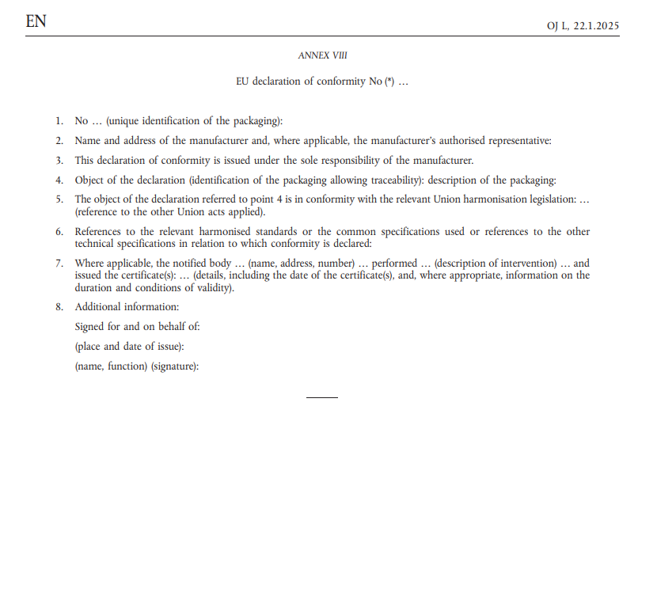
 | Example | 7. Where applicable, the notified body … (name, address, number) … performed … (description of intervention) … and issued the certificate(s): … (details, including the date of the certificate(s), and, where appropriate, information on the duration and conditions of validity). | Required from | Additional acts / expected next steps
EU DECLARATION CONFIRMITY NR.*… | XXXX2285 |  | 2026
1. No…. (unique identification of the packaging) | 0000-0000-123-000 |  | 2026
2. Name and address of the manufacturer and, where applicable, the manufacturer’s authorised representative | XXX |  | 2026
3. This declaration of conformity is issued under the sole responsibility of the manufacturer.
4. Object of the declaration (identification of the packaging allowing traceability) description of the packaging: | kind of packaging, type of packaging, intentional use, GPCs |  | 2026
5. The object of the declaration referred to point 4 is in conformity with the relevant Union harmonisation legislation: … (reference to the other Union acts applied) | Regulation (EU) 2025/40 of the European Parliament and of the Council of 19 December 2024 on packaging and packaging waste. |  | 2026 | auf welcher Ebene: auf der für die die DoC ausgegeben wird
6. References to the relevant harmonised standards or the common specifications used or references to the other technical specifications in relation to which conformity is declared: |  |  |  | Minimalliste (Anforderungen) harmonised standards (zB D4R Kriterien, und andere Normen) die gelistet werden wenn es keine harmonised standards gibt > keine anführen

Art. 5: Requirements for substances in packaging | e.g. EN 13428:2004 |  | 2026 | report on the presence of substances of concern in packaging
Art. 11: Reusable Packaging | EN13429 |  | 2025* | delegated acts in 2027
8. Additional information:
Signed for and on behalf of:
(place and date of issue):
(name, function) (signature):
 | * No minimum quantity of reusable packaging and no obligation to offer sustainable packaging in this Article, but harmonised definition for reusable packaging

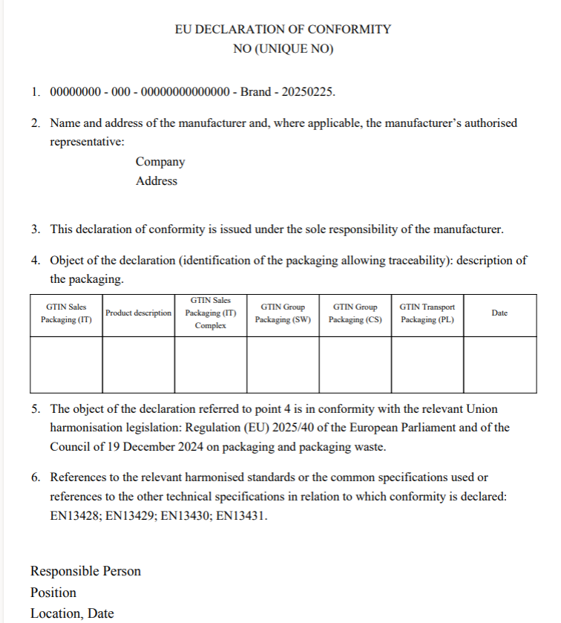
Basis: Annex VIII, conformity declartion FR

